NETWORK ADMINS
Privileged Network AD groups – Definition of Privileged Access (Section 3.3 Network Administration)

Privileged access to BSI network devices is granted through the following four (4) AD groups (domain mia.usa.sinvest):
• mia.usa.sinvest\Cisco ISE Administrators
• mia.usa.sinvest\Cisco Network Administrators
• mia.usa.sinvest\ISEAdmin
• mia.usa.sinvest\F5FullAdmin

Source note (2026 cycle): the extract below was carried forward from the 2025 Cycle 2 evidence (PAM_Definition_of_Privileged_BSI, Version March 2025, provided by BSI InfoSec).
Request BSI InfoSec to confirm this is still the current version of the definition for the 2026 test period.

Extract from PAM_Definition_of_Privileged_BSI - Section 3.3 Network Administration
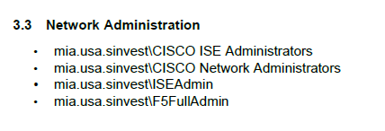

PAM_Definition_of_Privileged_BSI
Version: March 2025
Provided by BSI InfoSec team.

